assembly
ASSEMBLY CHECK SHEET |  |  |  |  | WO NUMBER |  |  |  |  |  | DOCUMENT NO
PTO DRIVE GEAR |  |  |  |  | COMP.MODEL |  |  |  |  |  | PUBLIC DATE
 |  |  |  |  | COMP.S/N |  |  |  |  |  | REVISION NO
SA6D140-2 |  |  |  |  | UNIT MODEL |  |  |  |  |  | PAGE

PROCESS |  | START |  |  |  |  |  | ASSEMBLY BY
 |  | FINISH

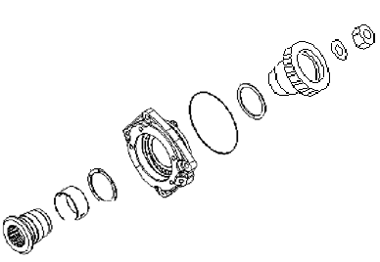
NO | PART TO INSTALL OR FIT |  | CONDITION TOBE ASSAMBLY |  |  |  | SPECIFICATION | SIGNATURE |  | SKETCH DRAWING OR PHOTHOES
 |  |  |  |  |  |  |  | MECH | GL/QA
1 | ALL PART

 |  |  | Confirm that Parts which have order do not DAMAGE,SCRATCH FREE FROM DIRT AND COROTION.

2 | BUSHING TO HOUSING
 |  |  |  | Check Bushing seat and bushing from scratch,damage and corotion.

 |  |  |  | Install Bushing to housing . |  |  | Using special tool for press (F2)

 |  |  | Make sure surface bushing and bushing seat free from oil and dirt.

3 | TRUST PLATE AND SHAFT ASSY
 |  |  |  | Confirm that shaft and trust plate free from dirt,crack,corrosion and damage.

 |  |  |  | Coat surface trust plate and shaft with oil. |  |  | SAE 15W - 40

 |  |  |  | Install trust plate() to housing.

 |  |  |  | Install shaft to housing.
4 | GEAR
 |  |  |  | Confirm that gear free from scratch and pitting,corrosion and damage.

 |  |  |  | Install Gear() to the shaft () |  |  | Using special tool for press (F2)

 |  |  | Make sure inner gear and surface shaft free from dirt and oil.

NOTE :

 | ASSEMBLY BY |  |  |  |  | INSPECTED BY |  |  |  |  |  |  | APPROVED BY

 | MECHANIC |  |  |  |  | Quallity Assurance(QA) |  |  |  |  |  | GL/SPV PRODUCTION

measuring
MEASUREMENT CHECK SHEET |  |  |  |  |  |  | WO NUMBER |  |  |  |  | DOCUMENT NO
COMPRESSOR DRIVE |  |  |  |  |  |  | COMP.MODEL |  |  |  |  | PUBLIC DATE
 |  |  |  |  |  |  | COMP.S/N |  |  |  |  | REVISION NO
SA6D140-2 |  |  |  |  |  |  | UNIT MODEL |  |  |  |  | PAGE

PROCESS |  |  | START |  |  |  |  |  | MEASUREMENT BY
 |  |  | FINISH

NO | PART TO MEASURING OR INSPECT |  |  | STANDARD VALUE TABLE

1 | COMPRESSOR DRIVE

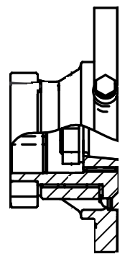

1

2

 |  |  |  |  | NO | CHECK ITEM |  | CRITERIA |  |  |  | ACTUAL
 |  |  |  |  |  |  |  | STANDART SIZE |  | POSITION

 |  |  |  |  | 1 | Outside diameter of shaft |  | 64,964 ~ 64,984 |  | 1 | X
 |  |  |  |  |  |  |  |  |  |  | Y
 |  |  |  |  |  |  |  |  |  | 2 | X
 |  |  |  |  |  |  |  |  |  |  | Y
 |  |  |  |  |  | Inside Diameter of Bushing |  | 64,996 ~ 65,066 |  | 1 | X
 |  |  |  |  |  |  |  |  |  |  | Y
 |  |  |  |  |  |  |  |  |  | 2 | X
 |  |  |  |  |  |  |  |  |  |  | Y
 |  |  |  |  |  | Clearence between OD shaft & ID Bushing |  | 0,012 ~ 0,102

 |  |  |  |  | 2 | Outside diameter of shaft |  | 60,091 ~ 60,110 |  | 1 | X
 |  |  |  |  |  |  |  |  |  |  | Y
 |  |  |  |  |  |  |  |  |  | 2 | X
 |  |  |  |  |  |  |  |  |  |  | Y
 |  |  |  |  |  | Inside Diameter of Gear |  | 60,000 ~ 60,025 |  | 1 | X
 |  |  |  |  |  |  |  |  |  |  | Y
 |  |  |  |  |  |  |  |  |  | 2 | X
 |  |  |  |  |  |  |  |  |  |  | Y
 |  |  |  |  |  | Interference between OD shaft & ID Gear |  | 0.056 ~ 0.110

 |  |  |  |  | 3 | VISUAL CHECK |  | NO SCRATCH

 | NOTE

 |  | MECHANIC |  |  |  |  |  |  |  |  |  |  | GROUP LEADER (GL)

